Sheet1
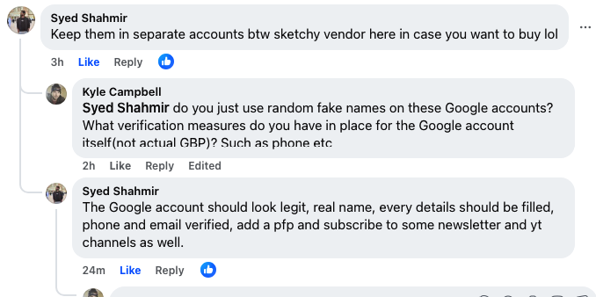
https://www.facebook.com/groups/localseocommunity/posts/1533124277671762/?comment_id=1533171751000348&reply_comment_id=1533281357656054&notif_id=1755802380077413&notif_t=group_comment

